Excel_visual_1
 | 29-Jan-26 SME Stock TradeQty > 48000 and StockTradeqty for 30-Jan Also 48000

Symbol | Name | TradeQty | AvgPrice | Symbol | Name | TradeQty | AvgPrice | Differnce
COOLCAPS | COOL CAPS INDUSTRIES LTD | 738750 | 58.05 | KRMAYURVED | KRM AYURVEDA LIMITED | 393000 | 177.34 | 119.29
E2ERAIL | E TO E TRANS INFRA LTD | 59200 | 220.73 | GICL | GLOBE INTL CARRIERS LTD | 159000 | 43.92 | -176.81 | chart name:Stack column Chart
Top 5 Losers (AvgPrice Decrease)
ENVIRO | ENVIROTECH SYSTEMS LTD | 217000 | 94.57 | CSSL | CLEAR SECURED SERVICES L | 854000 | 148.49 | 53.92
OBSCP | OBSC PERFECTION LIMITED | 72000 | 314.12 | ANYA | ANYA POLYTECH & FERTI LTD | 165000 | 20.68 | -293.44
AVANA | AVANA ELECTROSYSTEMS LTD | 180000 | 71.94 | VICTORYEV | VICTORY ELEC VEHICL INT L | 363000 | 22.82 | -49.12
KCK | KCK INDUSTRIES LTD | 680000 | 21.46 | TRANSTEEL | TRANSTEEL SEATING TECH L | 100000 | 146.65 | 125.19
UHTL | UNITED HEAT TRANSFER LTD | 88000 | 51.95 | ISHAN | ISHAN INTERNATIONAL LTD | 48000 | 0.65 | -51.3
MAGSON | MAGSON RETAIL AND DIST L | 288000 | 135.74 | MGSL | MATRIX GEO SOLUTIONS LTD | 57600 | 83.39 | -52.35
TUNWAL | TUNWAL E-MOTORS LIMITED | 562000 | 29.01 | RCDL | RAJGOR CASTOR DERIVATI L | 69000 | 24.48 | -4.53
MGSL | MATRIX GEO SOLUTIONS LTD | 51600 | 84.22 | COOLCAPS | COOL CAPS INDUSTRIES LTD | 1635000 | 48 | -36.22
NAMOEWASTE | NAMO EWASTE MANAGEMENT L | 133600 | 172.25 | NAMOEWASTE | NAMO EWASTE MANAGEMENT L | 142400 | 171.65 | -0.6
GICL | GLOBE INTL CARRIERS LTD | 147000 | 44.49 | SAHASRA | SAHASRA ELECTRONIC SOLU L | 125600 | 249.08 | 204.59
ANYA | ANYA POLYTECH & FERTI LTD | 130000 | 21.24 | VILINBIO | VILIN BIO MED LIMITED | 80000 | 34.59 | 13.35
ENSER | ENSER COMMUNICATIONS LTD | 210000 | 13.16 | KCK | KCK INDUSTRIES LTD | 340000 | 19.38 | 6.22
GRAPHISAD | GRAPHISADS LIMITED | 85200 | 47.69 | ENSER | ENSER COMMUNICATIONS LTD | 50000 | 12.77 | -34.92
SAHASRA | SAHASRA ELECTRONIC SOLU L | 152000 | 249.14 | ASHWINI | ASHWINI CONTAINER MOVER L | 162000 | 139.56 | -109.58
ISHAN | ISHAN INTERNATIONAL LTD | 192000 | 0.68 | TUNWAL | TUNWAL E-MOTORS LIMITED | 164000 | 28.11 | 27.43
VICTORYEV | VICTORY ELEC VEHICL INT L | 603000 | 22.07 | AVANA | AVANA ELECTROSYSTEMS LTD | 68000 | 69.09 | 47.02
VILINBIO | VILIN BIO MED LIMITED | 116000 | 32.73 | UHTL | UNITED HEAT TRANSFER LTD | 86000 | 50.3 | 17.57
TRANSTEEL | TRANSTEEL SEATING TECH L | 200000 | 144.67 | ENVIRO | ENVIROTECH SYSTEMS LTD | 50000 | 88.27 | -56.4
RCDL | RAJGOR CASTOR DERIVATI L | 66000 | 21.3 | GRAPHISAD | GRAPHISADS LIMITED | 103200 | 47.4 | 26.1
ASHWINI | ASHWINI CONTAINER MOVER L | 106000 | 136.31 | MAGSON | MAGSON RETAIL AND DIST L | 73000 | 134.76 | -1.55
ORIANA | ORIANA POWER LIMITED | 60675 | 1555.21 | OBSCP | OBSC PERFECTION LIMITED | 50400 | 308.5 | -1246.71
CSSL | CLEAR SECURED SERVICES L | 317000 | 144.16 | ANNAPURNA | ANNAPURNA SWADISHT LTD | 312750 | 197.13 | 52.97
ANNAPURNA | ANNAPURNA SWADISHT LTD | 593750 | 190.32 | E2ERAIL | E TO E TRANS INFRA LTD | 56000 | 211.17 | 20.85
SWARAJ | SWARAJ SUITING LIMITED | 109500 | 265.47 | SWARAJ | SWARAJ SUITING LIMITED | 101500 | 272.73 | 7.26
KRMAYURVED | KRM AYURVEDA LIMITED | 3156000 | 166.73 | ORIANA | ORIANA POWER LIMITED | 51750 | 1558.51 | 1391.78

Excel_visual_2
Symbol | Name | TradeQty | AvgPrice | Symbol | Name | TradeQty | AvgPrice | Differnce
COOLCAPS | COOL CAPS INDUSTRIES LTD | 738750 | 58.05 | ORIANA | ORIANA POWER LIMITED | 51750 | 1558.51 | 1500.46
E2ERAIL | E TO E TRANS INFRA LTD | 59200 | 220.73 | SWARAJ | SWARAJ SUITING LIMITED | 101500 | 272.73 | 52
Top 5 Gainers (Positive Difference)
ENVIRO | ENVIROTECH SYSTEMS LTD | 217000 | 94.57 | ANNAPURNA | ANNAPURNA SWADISHT LTD | 312750 | 197.13 | 102.56
OBSCP | OBSC PERFECTION LIMITED | 72000 | 314.12 | E2ERAIL | E TO E TRANS INFRA LTD | 56000 | 211.17 | -102.95
AVANA | AVANA ELECTROSYSTEMS LTD | 180000 | 71.94 | SAHASRA | SAHASRA ELECTRONIC SOLU L | 125600 | 249.08 | 177.14
KCK | KCK INDUSTRIES LTD | 680000 | 21.46 | MAGSON | MAGSON RETAIL AND DIST L | 73000 | 134.76 | 113.3
UHTL | UNITED HEAT TRANSFER LTD | 88000 | 51.95 | KRMAYURVED | KRM AYURVEDA LIMITED | 393000 | 177.34 | 125.39
MAGSON | MAGSON RETAIL AND DIST L | 288000 | 135.74 | OBSCP | OBSC PERFECTION LIMITED | 50400 | 308.5 | 172.76
TUNWAL | TUNWAL E-MOTORS LIMITED | 562000 | 29.01 | CSSL | CLEAR SECURED SERVICES L | 854000 | 148.49 | 119.48
MGSL | MATRIX GEO SOLUTIONS LTD | 51600 | 84.22 | AVANA | AVANA ELECTROSYSTEMS LTD | 68000 | 69.09 | -15.13
NAMOEWASTE | NAMO EWASTE MANAGEMENT L | 133600 | 172.25 | ENVIRO | ENVIROTECH SYSTEMS LTD | 50000 | 88.27 | -83.98
GICL | GLOBE INTL CARRIERS LTD | 147000 | 44.49 | COOLCAPS | COOL CAPS INDUSTRIES LTD | 1635000 | 48 | 3.51
ANYA | ANYA POLYTECH & FERTI LTD | 130000 | 21.24 | UHTL | UNITED HEAT TRANSFER LTD | 86000 | 50.3 | 29.06
ENSER | ENSER COMMUNICATIONS LTD | 210000 | 13.16 | ENSER | ENSER COMMUNICATIONS LTD | 50000 | 12.77 | -0.39
GRAPHISAD | GRAPHISADS LIMITED | 85200 | 47.69 | RCDL | RAJGOR CASTOR DERIVATI L | 69000 | 24.48 | -23.21
SAHASRA | SAHASRA ELECTRONIC SOLU L | 152000 | 249.14 | ANYA | ANYA POLYTECH & FERTI LTD | 165000 | 20.68 | -228.46
ISHAN | ISHAN INTERNATIONAL LTD | 192000 | 0.68 | NAMOEWASTE | NAMO EWASTE MANAGEMENT L | 142400 | 171.65 | 170.97
VICTORYEV | VICTORY ELEC VEHICL INT L | 603000 | 22.07 | ASHWINI | ASHWINI CONTAINER MOVER L | 162000 | 139.56 | 117.49
VILINBIO | VILIN BIO MED LIMITED | 116000 | 32.73 | MGSL | MATRIX GEO SOLUTIONS LTD | 57600 | 83.39 | 50.66
TRANSTEEL | TRANSTEEL SEATING TECH L | 200000 | 144.67 | GICL | GLOBE INTL CARRIERS LTD | 159000 | 43.92 | -100.75
RCDL | RAJGOR CASTOR DERIVATI L | 66000 | 21.3 | VICTORYEV | VICTORY ELEC VEHICL INT L | 363000 | 22.82 | 1.52
ASHWINI | ASHWINI CONTAINER MOVER L | 106000 | 136.31 | ISHAN | ISHAN INTERNATIONAL LTD | 48000 | 0.65 | -135.66 | Line Chart
ORIANA | ORIANA POWER LIMITED | 60675 | 1555.21 | VILINBIO | VILIN BIO MED LIMITED | 80000 | 34.59 | -1520.62
CSSL | CLEAR SECURED SERVICES L | 317000 | 144.16 | TRANSTEEL | TRANSTEEL SEATING TECH L | 100000 | 146.65 | 2.49
ANNAPURNA | ANNAPURNA SWADISHT LTD | 593750 | 190.32 | GRAPHISAD | GRAPHISADS LIMITED | 103200 | 47.4 | -142.92
SWARAJ | SWARAJ SUITING LIMITED | 109500 | 265.47 | KCK | KCK INDUSTRIES LTD | 340000 | 19.38 | -246.09
KRMAYURVED | KRM AYURVEDA LIMITED | 3156000 | 166.73 | TUNWAL | TUNWAL E-MOTORS LIMITED | 164000 | 28.11 | -138.62

PowerBI
power Bi visualization
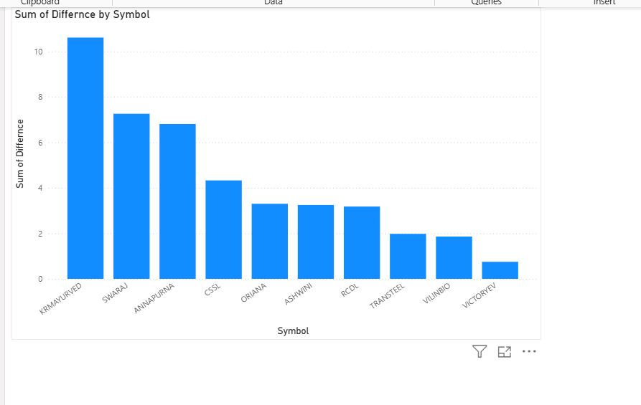

 | Storyline : The Top 10 Gainers chart represents the companies that showed positive growth and improvement in performance..
 | These companies achieved higher values compared to the previous period
 | Anaysis : Companies such as KRMAYURVED, SWARAJ, and ANNAPURNA show the highest positive difference,.
 | indicating strong growth. Other firms like CSL, ORIANA, and ASHWINI also contributed positively but at a moderate level. The growth is more evenly distributed compared to the losers
 | Result : The chart clearly indicates strong-performing companies that are driving overall growth.
 | These gainers can be considered for further investment and can act as benchmarks for underperforming companies.

